PopulationReport
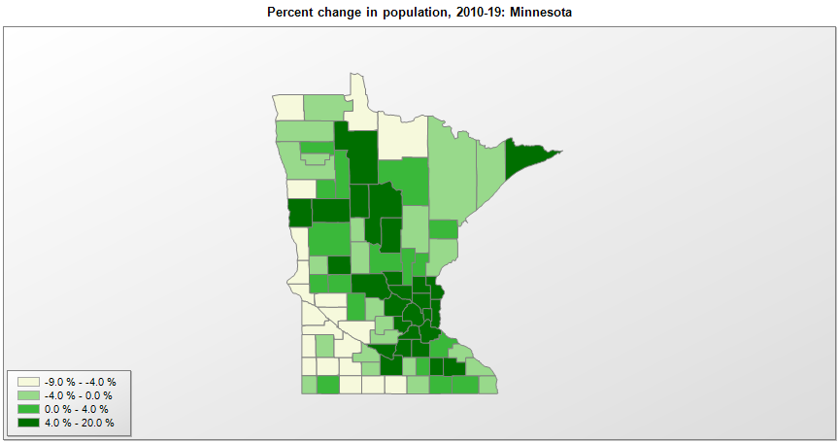

FIPS* | County name | RUC code | Pop. 1990 | Pop. 2000 | Pop. 2010 | Pop. 2019 | Change 2010-19
27000 | Minnesota |  | 4,375,665 | 4,919,631 | 5,303,927 | 5,639,632 | 6.3%
27001 | Aitkin County | 8 | 12,425 | 15,221 | 16,192 | 15,886 | -1.9%
27003 | Anoka County | 1 | 243,641 | 298,164 | 330,858 | 356,921 | 7.9%
27005 | Becker County | 6 | 27,881 | 30,006 | 32,506 | 34,423 | 5.9%
27007 | Beltrami County | 7 | 34,384 | 39,638 | 44,443 | 47,188 | 6.2%
27009 | Benton County | 3 | 30,185 | 34,242 | 38,451 | 40,889 | 6.3%
27011 | Big Stone County | 9 | 6,285 | 5,816 | 5,268 | 4,991 | -5.3%
27013 | Blue Earth County | 3 | 54,044 | 55,931 | 64,013 | 67,653 | 5.7%
27015 | Brown County | 6 | 26,984 | 26,916 | 25,893 | 25,008 | -3.4%
27017 | Carlton County | 2 | 29,259 | 31,705 | 35,386 | 35,871 | 1.4%
27019 | Carver County | 1 | 47,915 | 70,243 | 91,086 | 105,089 | 15.4%
27021 | Cass County | 9 | 21,791 | 27,148 | 28,565 | 29,779 | 4.2%
27023 | Chippewa County | 7 | 13,228 | 12,937 | 12,443 | 11,800 | -5.2%
27025 | Chisago County | 1 | 30,521 | 41,116 | 53,890 | 56,579 | 5.0%
27027 | Clay County | 3 | 50,422 | 51,227 | 58,999 | 64,222 | 8.9%
27029 | Clearwater County | 8 | 8,309 | 8,432 | 8,695 | 8,818 | 1.4%
27031 | Cook County | 9 | 3,868 | 5,164 | 5,176 | 5,463 | 5.5%
27033 | Cottonwood County | 7 | 12,694 | 12,190 | 11,687 | 11,196 | -4.2%
27035 | Crow Wing County | 4 | 44,249 | 54,985 | 62,512 | 65,055 | 4.1%
27037 | Dakota County | 1 | 275,210 | 355,923 | 398,590 | 429,021 | 7.6%
27039 | Dodge County | 3 | 15,731 | 17,735 | 20,087 | 20,934 | 4.2%
27041 | Douglas County | 6 | 28,674 | 32,808 | 36,011 | 38,141 | 5.9%
27043 | Faribault County | 6 | 16,937 | 16,180 | 14,553 | 13,653 | -6.2%
27045 | Fillmore County | 3 | 20,777 | 21,113 | 20,868 | 21,067 | 1.0%
27047 | Freeborn County | 7 | 33,060 | 32,584 | 31,254 | 30,281 | -3.1%
27049 | Goodhue County | 4 | 40,690 | 44,139 | 46,184 | 46,340 | 0.3%
27051 | Grant County | 9 | 6,246 | 6,286 | 6,018 | 5,972 | -0.8%
27053 | Hennepin County | 1 | 1,032,431 | 1,116,162 | 1,152,385 | 1,265,843 | 9.8%
27055 | Houston County | 3 | 18,497 | 19,725 | 19,020 | 18,600 | -2.2%
27057 | Hubbard County | 7 | 14,939 | 18,314 | 20,427 | 21,491 | 5.2%
27059 | Isanti County | 1 | 25,921 | 31,280 | 37,810 | 40,596 | 7.4%
27061 | Itasca County | 6 | 40,844 | 43,909 | 45,058 | 45,130 | 0.2%
27063 | Jackson County | 7 | 11,677 | 11,242 | 10,266 | 9,846 | -4.1%
27065 | Kanabec County | 6 | 12,802 | 14,987 | 16,244 | 16,337 | 0.6%
27067 | Kandiyohi County | 4 | 38,761 | 41,193 | 42,239 | 43,199 | 2.3%
27069 | Kittson County | 9 | 5,767 | 5,279 | 4,552 | 4,298 | -5.6%
27071 | Koochiching County | 6 | 16,299 | 14,351 | 13,314 | 12,229 | -8.1%
27073 | Lac qui Parle County | 9 | 8,924 | 8,073 | 7,258 | 6,623 | -8.7%
27075 | Lake County | 6 | 10,415 | 11,053 | 10,862 | 10,641 | -2.0%
27077 | Lake of the Woods County | 9 | 4,076 | 4,508 | 4,045 | 3,740 | -7.5%
27079 | Le Sueur County | 1 | 23,239 | 25,416 | 27,701 | 28,887 | 4.3%
27081 | Lincoln County | 9 | 6,890 | 6,425 | 5,895 | 5,639 | -4.3%
27083 | Lyon County | 7 | 24,789 | 25,437 | 25,858 | 25,474 | -1.5%
27085 | McLeod County | 6 | 32,030 | 34,906 | 36,645 | 35,893 | -2.1%
27087 | Mahnomen County | 8 | 5,044 | 5,190 | 5,413 | 5,527 | 2.1%
27089 | Marshall County | 8 | 10,993 | 10,147 | 9,439 | 9,336 | -1.1%
27091 | Martin County | 7 | 22,914 | 21,807 | 20,843 | 19,683 | -5.6%
27093 | Meeker County | 6 | 20,846 | 22,636 | 23,298 | 23,222 | -0.3%
27095 | Mille Lacs County | 1 | 18,670 | 22,304 | 26,097 | 26,277 | 0.7%
27097 | Morrison County | 6 | 29,604 | 31,743 | 33,198 | 33,386 | 0.6%
27099 | Mower County | 4 | 37,385 | 38,604 | 39,167 | 40,062 | 2.3%
27101 | Murray County | 9 | 9,660 | 9,169 | 8,725 | 8,194 | -6.1%
27103 | Nicollet County | 3 | 28,076 | 29,780 | 32,729 | 34,274 | 4.7%
27105 | Nobles County | 7 | 20,098 | 20,832 | 21,378 | 21,629 | 1.2%
27107 | Norman County | 8 | 7,975 | 7,442 | 6,845 | 6,375 | -6.9%
27109 | Olmsted County | 3 | 106,470 | 124,287 | 144,268 | 158,293 | 9.7%
27111 | Otter Tail County | 6 | 50,714 | 57,083 | 57,301 | 58,746 | 2.5%
27113 | Pennington County | 6 | 13,306 | 13,590 | 13,930 | 14,119 | 1.4%
27115 | Pine County | 6 | 21,264 | 26,429 | 29,747 | 29,579 | -0.6%
27117 | Pipestone County | 6 | 10,491 | 9,898 | 9,597 | 9,126 | -4.9%
27119 | Polk County | 3 | 32,589 | 31,370 | 31,600 | 31,364 | -0.7%
27121 | Pope County | 8 | 10,745 | 11,222 | 10,993 | 11,249 | 2.3%
27123 | Ramsey County | 1 | 485,760 | 511,272 | 508,639 | 550,321 | 8.2%
27125 | Red Lake County | 8 | 4,525 | 4,300 | 4,089 | 4,055 | -0.8%
27127 | Redwood County | 7 | 17,254 | 16,813 | 16,058 | 15,170 | -5.5%
27129 | Renville County | 8 | 17,673 | 17,147 | 15,728 | 14,548 | -7.5%
27131 | Rice County | 4 | 49,183 | 56,663 | 64,143 | 66,972 | 4.4%
27133 | Rock County | 6 | 9,806 | 9,720 | 9,686 | 9,315 | -3.8%
27135 | Roseau County | 7 | 15,026 | 16,343 | 15,629 | 15,165 | -3.0%
27137 | St. Louis County | 2 | 198,232 | 200,586 | 200,229 | 199,070 | -0.6%
27139 | Scott County | 1 | 57,846 | 89,510 | 129,908 | 149,013 | 14.7%
27141 | Sherburne County | 1 | 41,945 | 64,472 | 88,492 | 97,238 | 9.9%
27143 | Sibley County | 1 | 14,366 | 15,361 | 15,234 | 14,865 | -2.4%
27145 | Stearns County | 3 | 119,324 | 133,199 | 150,642 | 161,075 | 6.9%
27147 | Steele County | 5 | 30,729 | 33,684 | 36,581 | 36,649 | 0.2%
27149 | Stevens County | 7 | 10,634 | 10,053 | 9,722 | 9,805 | 0.9%
27151 | Swift County | 7 | 10,724 | 11,967 | 9,781 | 9,266 | -5.3%
27153 | Todd County | 6 | 23,363 | 24,402 | 24,895 | 24,664 | -0.9%
27155 | Traverse County | 9 | 4,463 | 4,137 | 3,558 | 3,259 | -8.4%
27157 | Wabasha County | 3 | 19,744 | 21,610 | 21,665 | 21,627 | -0.2%
27159 | Wadena County | 7 | 13,154 | 13,730 | 13,843 | 13,682 | -1.2%
27161 | Waseca County | 6 | 18,079 | 19,536 | 19,138 | 18,612 | -2.7%
27163 | Washington County | 1 | 145,860 | 201,214 | 238,109 | 262,440 | 10.2%
27165 | Watonwan County | 6 | 11,682 | 11,882 | 11,211 | 10,897 | -2.8%
27167 | Wilkin County | 6 | 7,516 | 7,135 | 6,576 | 6,207 | -5.6%
27169 | Winona County | 4 | 47,828 | 49,996 | 51,461 | 50,484 | -1.9%
27171 | Wright County | 1 | 68,710 | 90,022 | 124,697 | 138,377 | 11.0%
27173 | Yellow Medicine County | 9 | 11,684 | 11,235 | 10,438 | 9,709 | -7.0%

Source: U.S. Census Bureau, 1990, 2000, and 2010 Censuses of Population (corrected), and 2019 County Total Population Estimates. 1) The FIPS codes uniquely identify each county and are part of the Federal Information Processing Standards (FIPS) developed by the National Institute of Standards and Technology (NIST), U.S. Department of Commerce. For more information, see the NIST FIPS publication page. 2) The 2013 rural-urban continuum codes classify metropolitan counties (codes 1 through 3) by size of the Metropolitan Statistical Area (MSA), and nonmetropolitan counties (codes 4 through 9) by degree of urbanization and proximity to metro areas. See rural-urban continuum codes for precise definitions of each code.

